Sheet1
Inspection ID |  | 51200
Inspector |  | Marisol Vega
Inspected Date |  | 5/11/2026 9:00
Entity Type |  | Unit
Tenant Name |  | Avery Lindqvist
Property Code Unit Code |  | 4820 01
Unit Address |  | 1400 Alderpath Ave. #04 Torrance, CA - 90503 us
 |  | Results | Observation | Work Order | Charge |  | Responsibility | Detail Level Notes | Photo
Annual Maintenace Unit Inspections
Front door has working locks, unit # listed and weatherstripping is in tact |  | Yes
Smoke alarms and CO2 alarms are in working condition and placed in required areas of unit |  | Yes
Stove/ Refrigerator/ Dishwasher/ Microwave are in working condition |  | Yes
Kitchen cabinets and countertops are in good working condition |  | Yes
All plumbing including water heater,toilets, faucets, under sinks, shower heads are free from leaks |  | Yes
Windows and screens are in tact and in working condition |  | Yes
Paint, ceiling and walls are in good condition and free from water damage and signs of leaks |  | Yes
Carpet and flooring is in good condition and free from trip hazards |  | Yes
Wall heater and Water heater is in working condition and free from furniture or belongings blocking it |  | Yes
Overall Result |  | Pass - No action needed
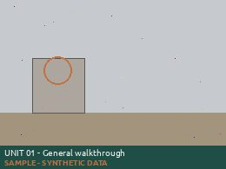
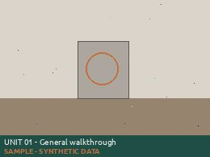
Overall Notes
Tenant Response
 | Signatures | Inspector Signature |  | Owner Signature |  | Tenant Signature

Inspection ID |  | 51201
Inspector |  | Daniel Okonkwo
Inspected Date |  | 5/12/2026 10:07
Entity Type |  | Unit
Tenant Name |  | Marcus Bello
Property Code Unit Code |  | 4820 02
Unit Address |  | 1400 Alderpath Ave. #04 Torrance, CA - 90503 us
 |  | Results | Observation | Work Order | Charge |  | Responsibility | Detail Level Notes | Photo
Annual Maintenace Unit Inspections
Front door has working locks, unit # listed and weatherstripping is in tact |  | Yes
Smoke alarms and CO2 alarms are in working condition and placed in required areas of unit |  | Yes
Stove/ Refrigerator/ Dishwasher/ Microwave are in working condition |  | Yes
Kitchen cabinets and countertops are in good working condition |  | Yes
All plumbing including water heater,toilets, faucets, under sinks, shower heads are free from leaks |  | Yes
Windows and screens are in tact and in working condition |  | Yes
Paint, ceiling and walls are in good condition and free from water damage and signs of leaks |  | Yes
Carpet and flooring is in good condition and free from trip hazards |  | Yes
Wall heater and Water heater is in working condition and free from furniture or belongings blocking it |  | Yes
Overall Result |  | Pass - No action needed
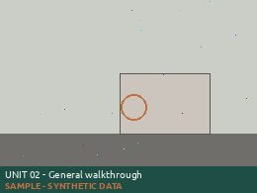
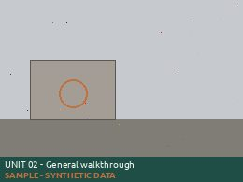
Overall Notes
Tenant Response
 | Signatures | Inspector Signature |  | Owner Signature |  | Tenant Signature

Inspection ID |  | 51202
Inspector |  | Priya Raman
Inspected Date |  | 5/13/2026 11:14
Entity Type |  | Unit
Tenant Name |  | Sofia Restrepo
Property Code Unit Code |  | 4820 03
Unit Address |  | 1400 Alderpath Ave. #04 Torrance, CA - 90503 us
 |  | Results | Observation | Work Order | Charge |  | Responsibility | Detail Level Notes | Photo
Annual Maintenace Unit Inspections
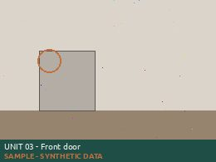
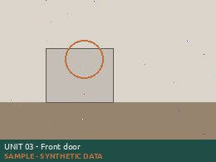
Front door has working locks, unit # listed and weatherstripping is in tact |  | No | Repair | 412602 |  |  |  | [Priya Raman 5/13/2026 11:14 AM] Unit number missing from door
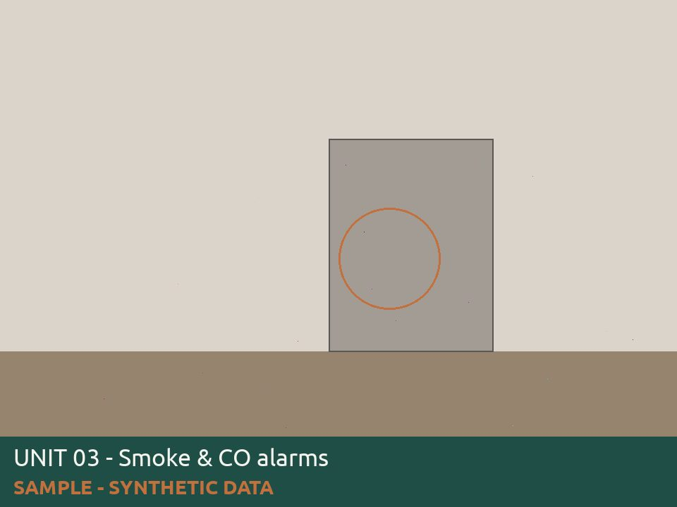
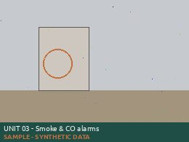
Smoke alarms and CO2 alarms are in working condition and placed in required areas of unit |  | No | Replace | 412602 |  |  |  | [Priya Raman 5/13/2026 11:14 AM] Co2 alarm chirping needs battery
Stove/ Refrigerator/ Dishwasher/ Microwave are in working condition |  | Yes
Kitchen cabinets and countertops are in good working condition |  | Yes
All plumbing including water heater,toilets, faucets, under sinks, shower heads are free from leaks |  | Yes
Windows and screens are in tact and in working condition |  | Yes
Paint, ceiling and walls are in good condition and free from water damage and signs of leaks |  | Yes
Carpet and flooring is in good condition and free from trip hazards |  | Yes
Wall heater and Water heater is in working condition and free from furniture or belongings blocking it |  | Yes
Overall Result |  | Pass - Corrective action needed
Overall Notes
Tenant Response
 | Signatures | Inspector Signature |  | Owner Signature |  | Tenant Signature

Inspection ID |  | 51203
Inspector |  | Tomas Herrera
Inspected Date |  | 5/14/2026 12:21
Entity Type |  | Unit
Tenant Name |  | Nathan Oyelaran
Property Code Unit Code |  | 4820 04
Unit Address |  | 1400 Alderpath Ave. #04 Torrance, CA - 90503 us
 |  | Results | Observation | Work Order | Charge |  | Responsibility | Detail Level Notes | Photo
Annual Maintenace Unit Inspections
Front door has working locks, unit # listed and weatherstripping is in tact |  | Cancel |  |  |  |  |  | [Tomas Herrera 5/14/2026 12:21 PM] Refused access, dog in unit
Overall Result |  | Cancel - Unable to inspect
Overall Notes
Tenant Response
 | Signatures | Inspector Signature |  | Owner Signature |  | Tenant Signature

Inspection ID |  | 51204
Inspector |  | Marisol Vega
Inspected Date |  | 5/15/2026 13:28
Entity Type |  | Unit
Tenant Name |  | Delia Marchetti
Property Code Unit Code |  | 4820 05
Unit Address |  | 1400 Alderpath Ave. #04 Torrance, CA - 90503 us
 |  | Results | Observation | Work Order | Charge |  | Responsibility | Detail Level Notes | Photo
Annual Maintenace Unit Inspections
Front door has working locks, unit # listed and weatherstripping is in tact |  | Yes
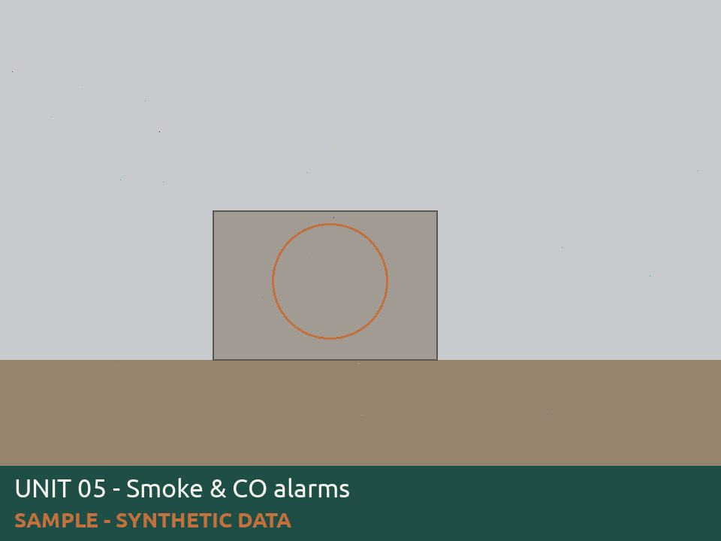
Smoke alarms and CO2 alarms are in working condition and placed in required areas of unit |  | No | Replace | 412604 |  |  |  | [Marisol Vega 5/15/2026 1:28 PM] Missing smoke detectors in hallway
Stove/ Refrigerator/ Dishwasher/ Microwave are in working condition |  | Yes
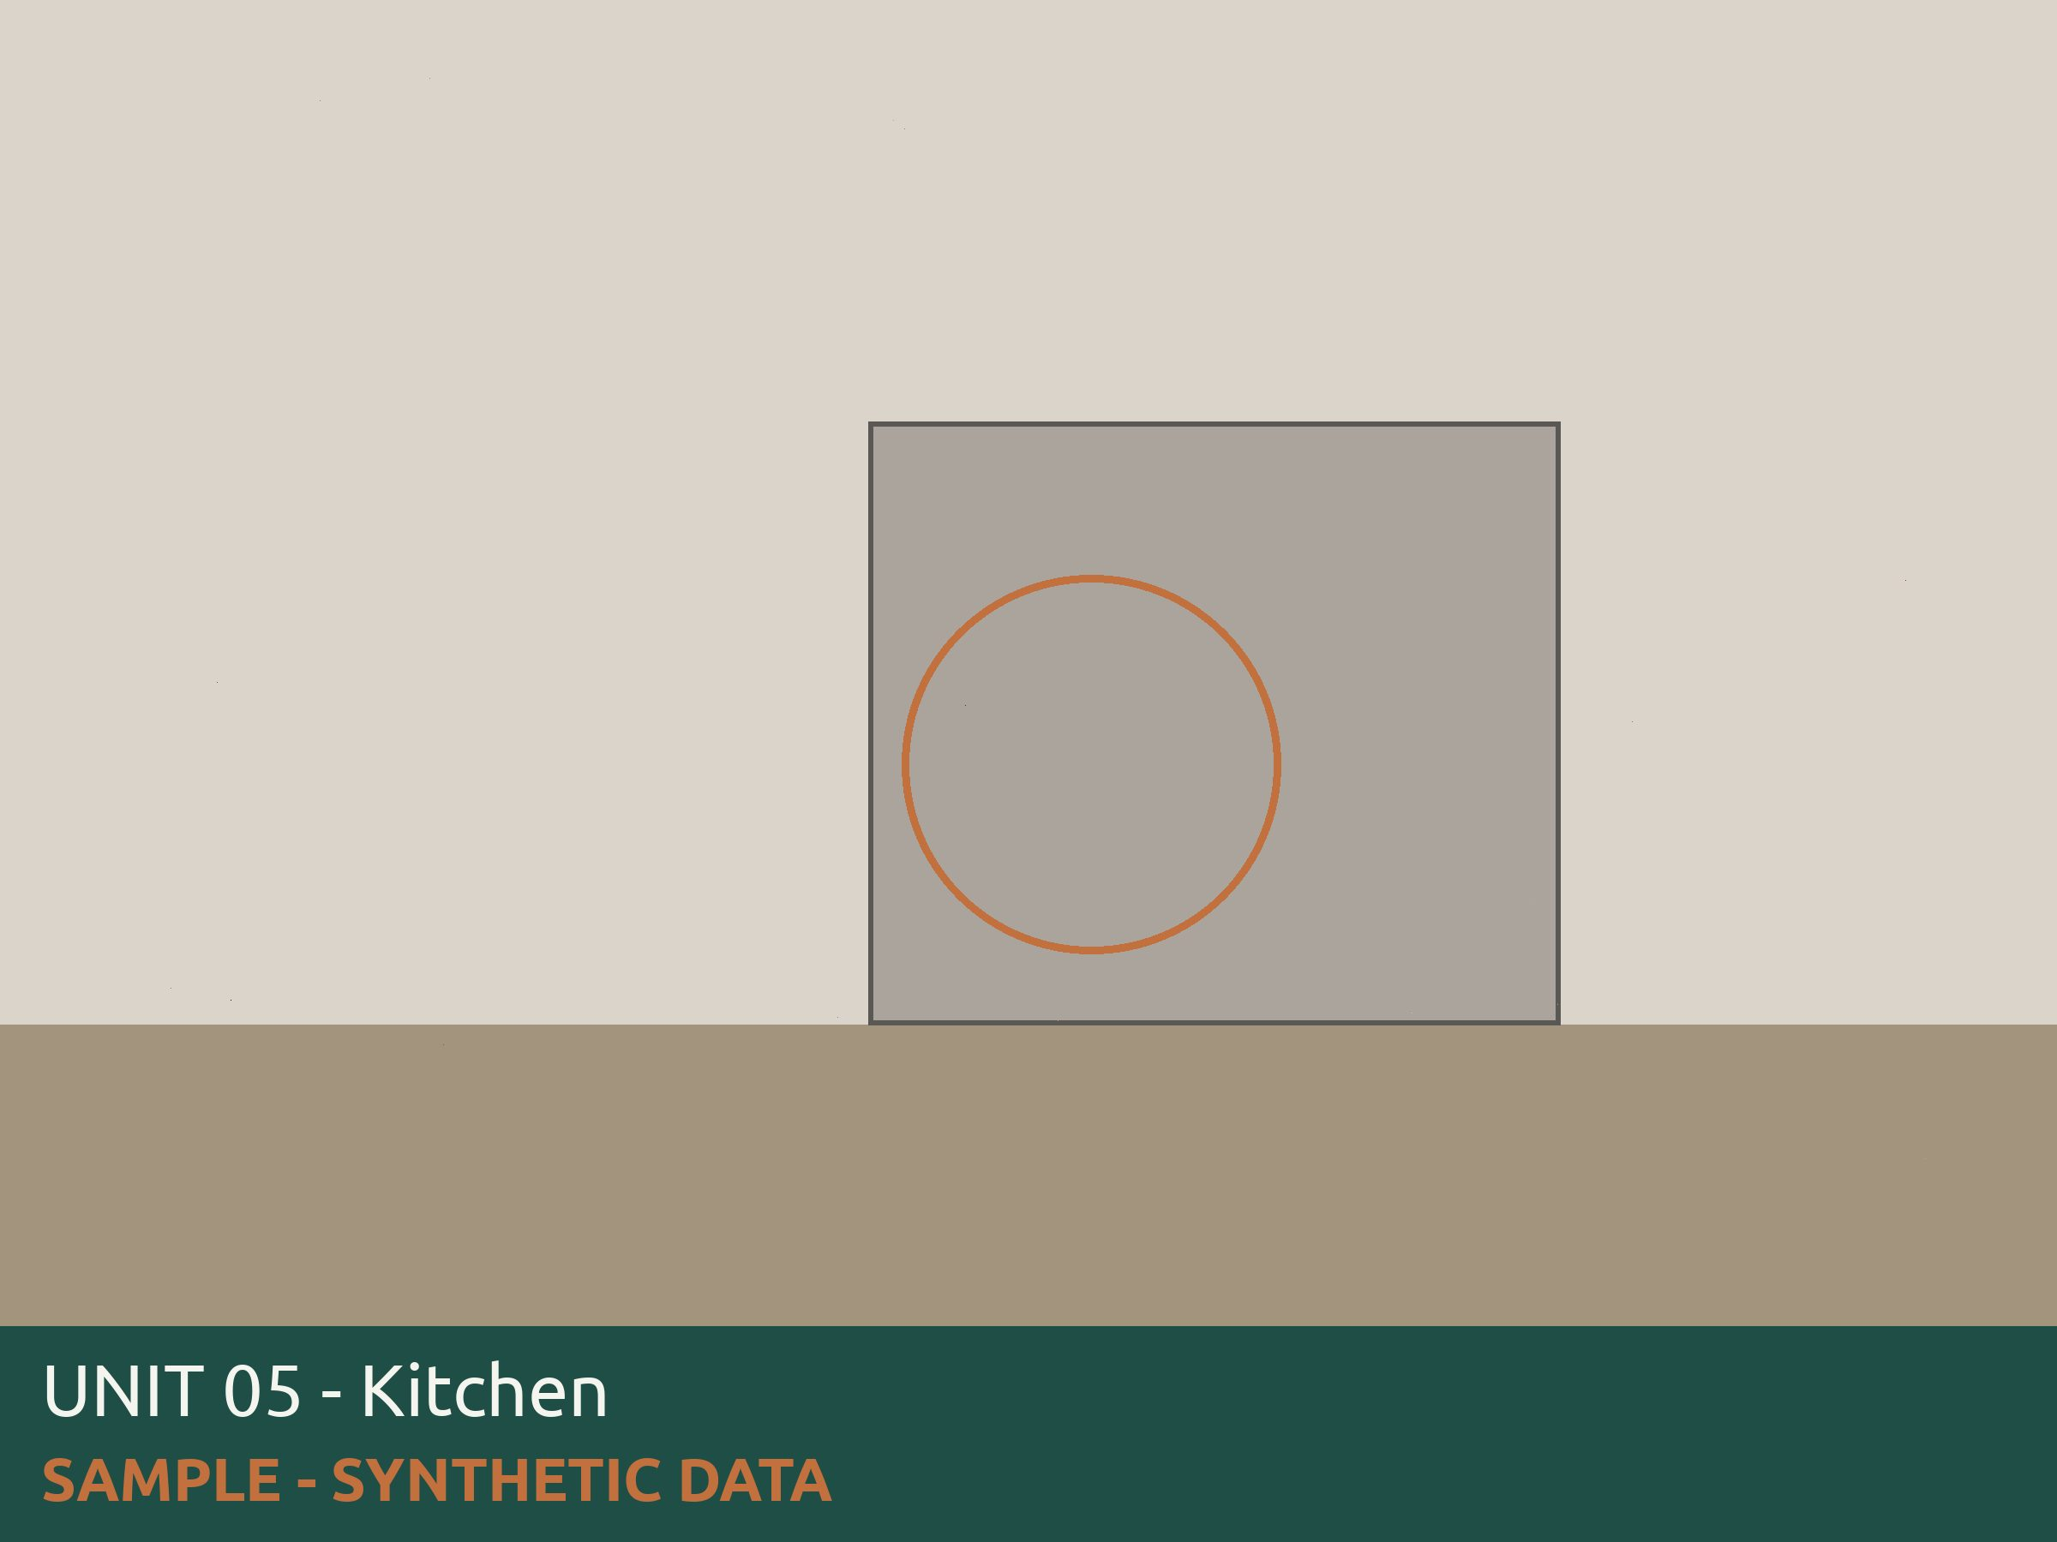
Kitchen cabinets and countertops are in good working condition |  | No | Repair | 412604 |  |  |  | [Marisol Vega 5/15/2026 1:28 PM] Fix hinges from kitchen cabinets
All plumbing including water heater,toilets, faucets, under sinks, shower heads are free from leaks |  | Yes
Windows and screens are in tact and in working condition |  | Yes
Paint, ceiling and walls are in good condition and free from water damage and signs of leaks |  | Yes
Carpet and flooring is in good condition and free from trip hazards |  | Yes
Wall heater and Water heater is in working condition and free from furniture or belongings blocking it |  | Yes
Overall Result |  | Pass - Corrective action needed
Overall Notes
Tenant Response
 | Signatures | Inspector Signature |  | Owner Signature |  | Tenant Signature

Inspection ID |  | 51205
Inspector |  | Daniel Okonkwo
Inspected Date |  | 5/11/2026 14:35
Entity Type |  | Unit
Tenant Name |  | Ruben Castellanos
Property Code Unit Code |  | 4820 06
Unit Address |  | 1400 Alderpath Ave. #04 Torrance, CA - 90503 us
 |  | Results | Observation | Work Order | Charge |  | Responsibility | Detail Level Notes | Photo
Annual Maintenace Unit Inspections
Front door has working locks, unit # listed and weatherstripping is in tact |  | Yes
Smoke alarms and CO2 alarms are in working condition and placed in required areas of unit |  | Yes
Stove/ Refrigerator/ Dishwasher/ Microwave are in working condition |  | Yes
Kitchen cabinets and countertops are in good working condition |  | Yes
All plumbing including water heater,toilets, faucets, under sinks, shower heads are free from leaks |  | Yes
Windows and screens are in tact and in working condition |  | Yes
Paint, ceiling and walls are in good condition and free from water damage and signs of leaks |  | Yes
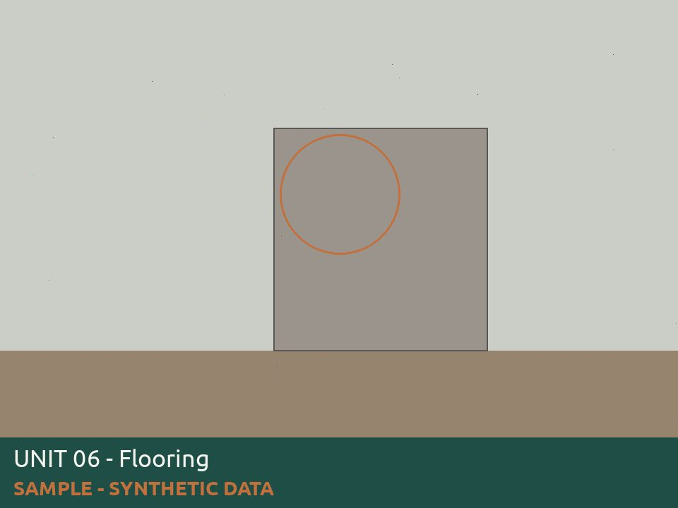
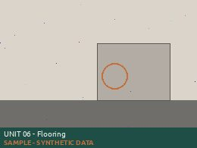
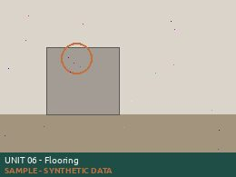
Carpet and flooring is in good condition and free from trip hazards |  | No | Repair | 412605 |  |  |  | [Daniel Okonkwo 5/11/2026 2:35 PM] Floor tack strip is missing screws
Wall heater and Water heater is in working condition and free from furniture or belongings blocking it |  | Yes
Overall Result |  | Pass - Corrective action needed
Overall Notes
Tenant Response
 | Signatures | Inspector Signature |  | Owner Signature |  | Tenant Signature

Inspection ID |  | 51206
Inspector |  | Priya Raman
Inspected Date |  | 5/12/2026 15:42
Entity Type |  | Unit
Tenant Name |  | Harriet Nwosu
Property Code Unit Code |  | 4820 07
Unit Address |  | 1400 Alderpath Ave. #04 Torrance, CA - 90503 us
 |  | Results | Observation | Work Order | Charge |  | Responsibility | Detail Level Notes | Photo
Annual Maintenace Unit Inspections
Front door has working locks, unit # listed and weatherstripping is in tact |  | Yes
Smoke alarms and CO2 alarms are in working condition and placed in required areas of unit |  | Yes
Stove/ Refrigerator/ Dishwasher/ Microwave are in working condition |  | Yes
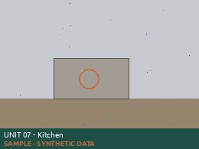
Kitchen cabinets and countertops are in good working condition |  | No | Repair | 412606 |  |  |  | [Priya Raman 5/12/2026 3:42 PM] Kitchen drawer needs repair
All plumbing including water heater,toilets, faucets, under sinks, shower heads are free from leaks |  | Yes
Windows and screens are in tact and in working condition |  | Yes
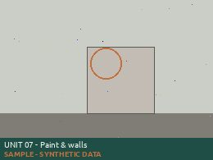
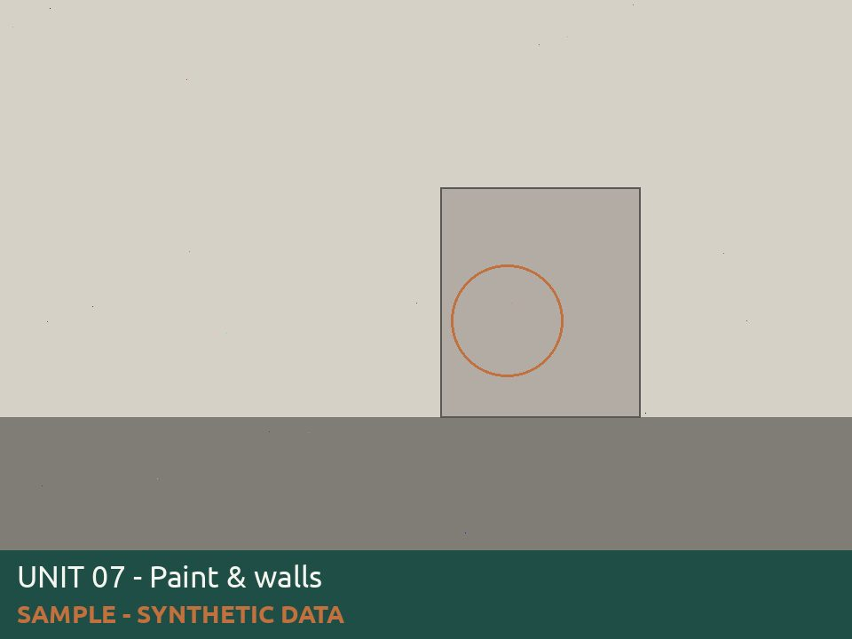
Paint, ceiling and walls are in good condition and free from water damage and signs of leaks |  | No | Repair | 412606 |  |  |  | [Priya Raman 5/12/2026 3:42 PM] Drywall repair in dining room area behind kitchen wall
Carpet and flooring is in good condition and free from trip hazards |  | Yes
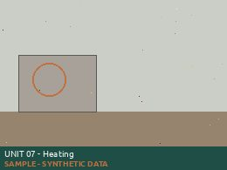
Wall heater and Water heater is in working condition and free from furniture or belongings blocking it |  | No | Repair | 412606 |  |  |  | [Priya Raman 5/12/2026 3:42 PM] Living room Wall heater knob broken
Overall Result |  | Pass - Corrective action needed
Overall Notes
Tenant Response
 | Signatures | Inspector Signature |  | Owner Signature |  | Tenant Signature

Inspection ID |  | 51207
Inspector |  | Tomas Herrera
Inspected Date |  | 5/13/2026 16:49
Entity Type |  | Unit
Tenant Name |  | Jonas Petrauskas
Property Code Unit Code |  | 4820 08
Unit Address |  | 1400 Alderpath Ave. #04 Torrance, CA - 90503 us
 |  | Results | Observation | Work Order | Charge |  | Responsibility | Detail Level Notes | Photo
Annual Maintenace Unit Inspections
Front door has working locks, unit # listed and weatherstripping is in tact |  | Yes
Smoke alarms and CO2 alarms are in working condition and placed in required areas of unit |  | Yes
Stove/ Refrigerator/ Dishwasher/ Microwave are in working condition |  | Yes
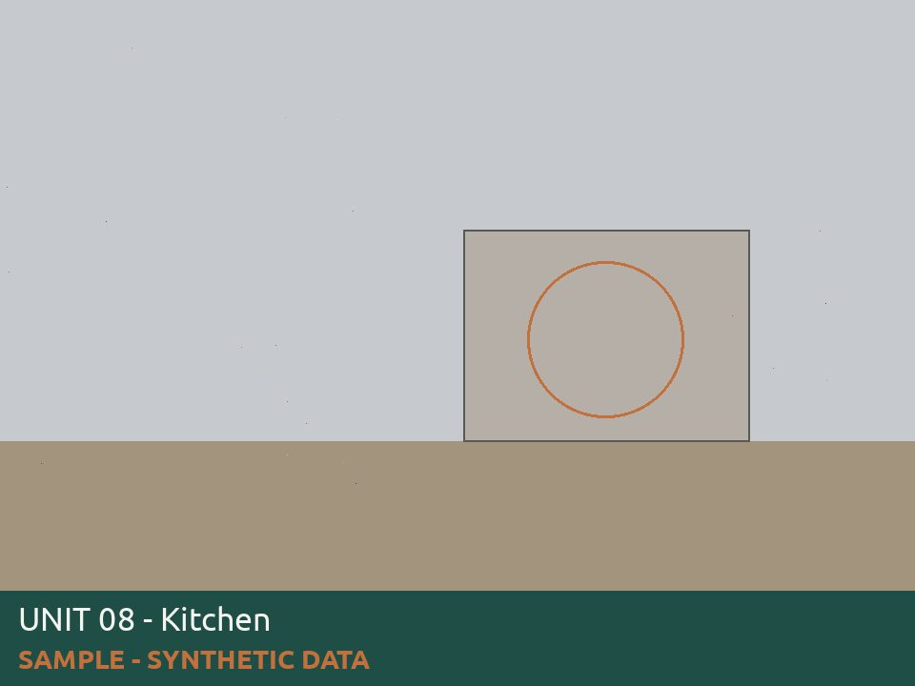
Kitchen cabinets and countertops are in good working condition |  | No | Repair | 412607 |  |  |  | [Tomas Herrera 5/13/2026 4:49 PM] Fix hinges from kitchen cabinets
All plumbing including water heater,toilets, faucets, under sinks, shower heads are free from leaks |  | Yes
Windows and screens are in tact and in working condition |  | Yes
Paint, ceiling and walls are in good condition and free from water damage and signs of leaks |  | Yes
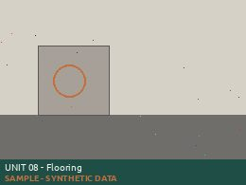
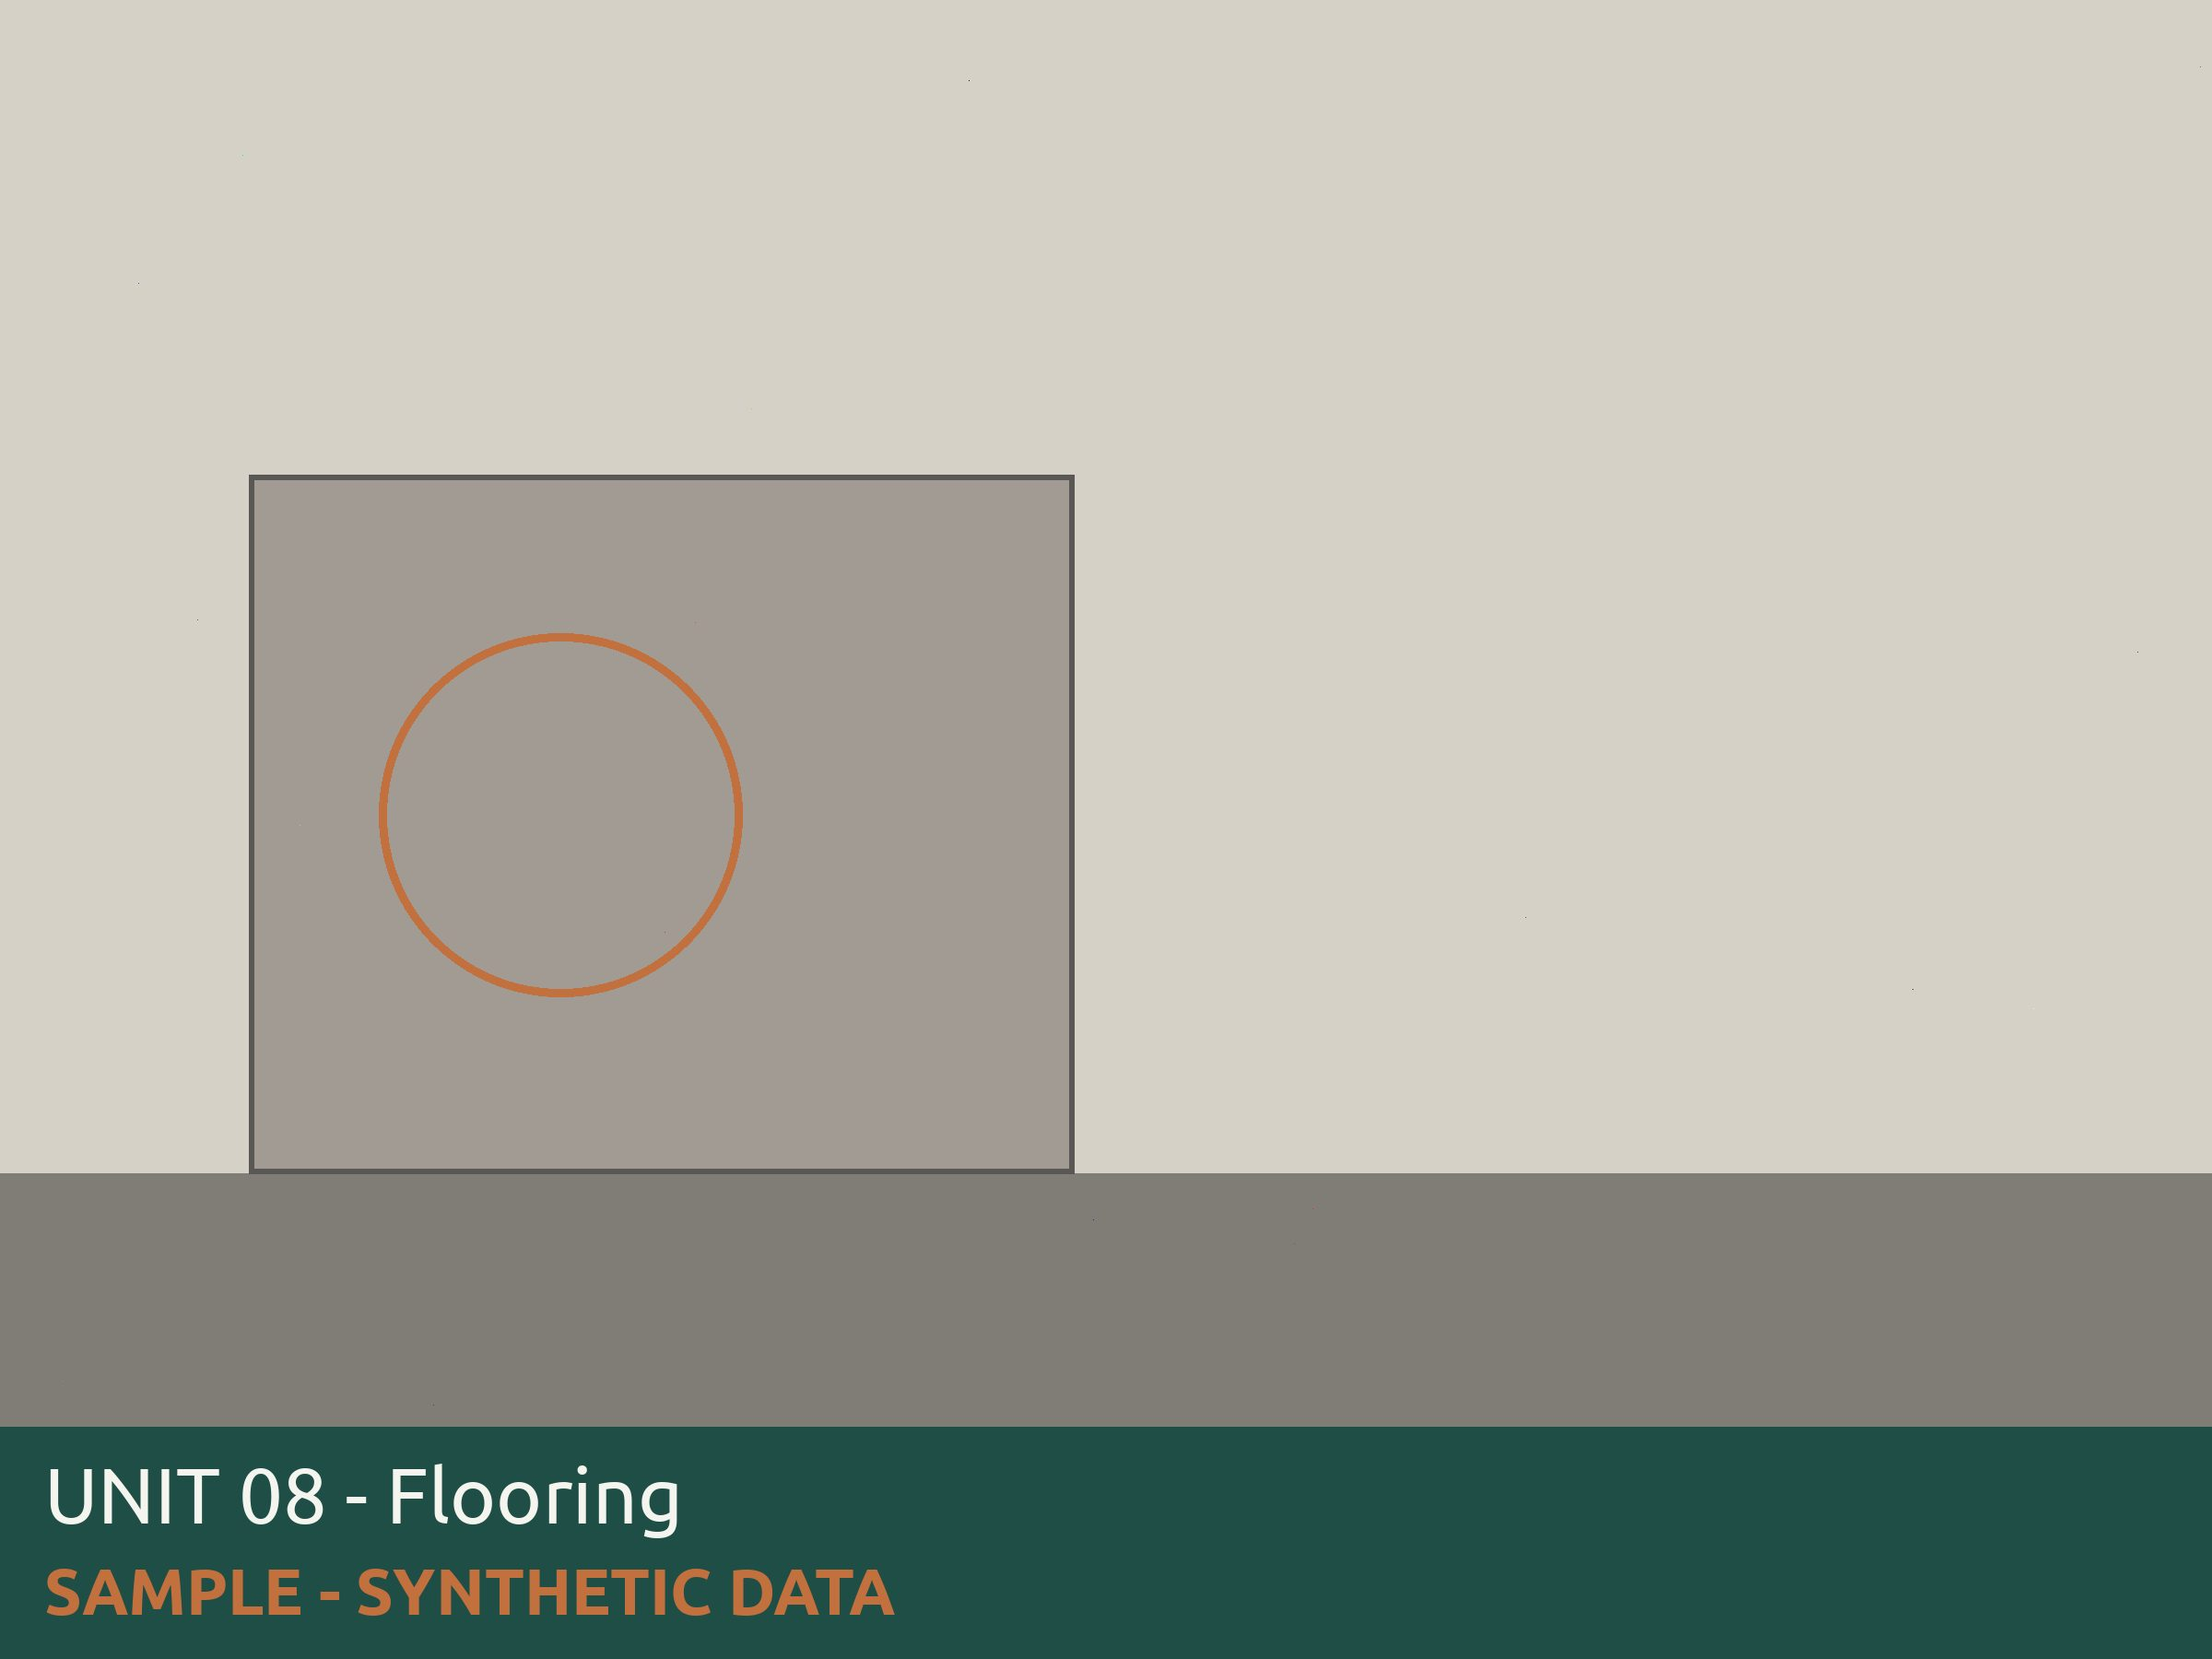
Carpet and flooring is in good condition and free from trip hazards |  | No | Repair | 412607 |  |  |  | [Tomas Herrera 5/13/2026 4:49 PM] Hallway floor damage
Wall heater and Water heater is in working condition and free from furniture or belongings blocking it |  | Yes
Overall Result |  | Pass - Corrective action needed
Overall Notes
Tenant Response
 | Signatures | Inspector Signature |  | Owner Signature |  | Tenant Signature

Inspection ID |  | 51208
Inspector |  | Marisol Vega
Inspected Date |  | 5/14/2026 17:56
Entity Type |  | Unit
Tenant Name |  | Camille Oduya
Property Code Unit Code |  | 4820 09
Unit Address |  | 1400 Alderpath Ave. #04 Torrance, CA - 90503 us
 |  | Results | Observation | Work Order | Charge |  | Responsibility | Detail Level Notes | Photo
Annual Maintenace Unit Inspections
Front door has working locks, unit # listed and weatherstripping is in tact |  | Yes
Smoke alarms and CO2 alarms are in working condition and placed in required areas of unit |  | Yes
Stove/ Refrigerator/ Dishwasher/ Microwave are in working condition |  | Yes
Kitchen cabinets and countertops are in good working condition |  | Yes
All plumbing including water heater,toilets, faucets, under sinks, shower heads are free from leaks |  | Yes
Windows and screens are in tact and in working condition |  | Yes
Paint, ceiling and walls are in good condition and free from water damage and signs of leaks |  | Yes
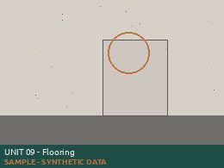
Carpet and flooring is in good condition and free from trip hazards |  | No | Repair | 412608 |  |  |  | [Marisol Vega 5/14/2026 5:56 PM] Floor planks are lifting in living room
Wall heater and Water heater is in working condition and free from furniture or belongings blocking it |  | Yes
Overall Result |  | Pass - Corrective action needed
Overall Notes
Tenant Response
 | Signatures | Inspector Signature |  | Owner Signature |  | Tenant Signature

Inspection ID |  | 51209
Inspector |  | Daniel Okonkwo
Inspected Date |  | 5/15/2026 9:03
Entity Type |  | Unit
Tenant Name |  | Theo Vasquez
Property Code Unit Code |  | 4820 10
Unit Address |  | 1400 Alderpath Ave. #04 Torrance, CA - 90503 us
 |  | Results | Observation | Work Order | Charge |  | Responsibility | Detail Level Notes | Photo
Annual Maintenace Unit Inspections
Front door has working locks, unit # listed and weatherstripping is in tact |  | Yes
Smoke alarms and CO2 alarms are in working condition and placed in required areas of unit |  | Yes
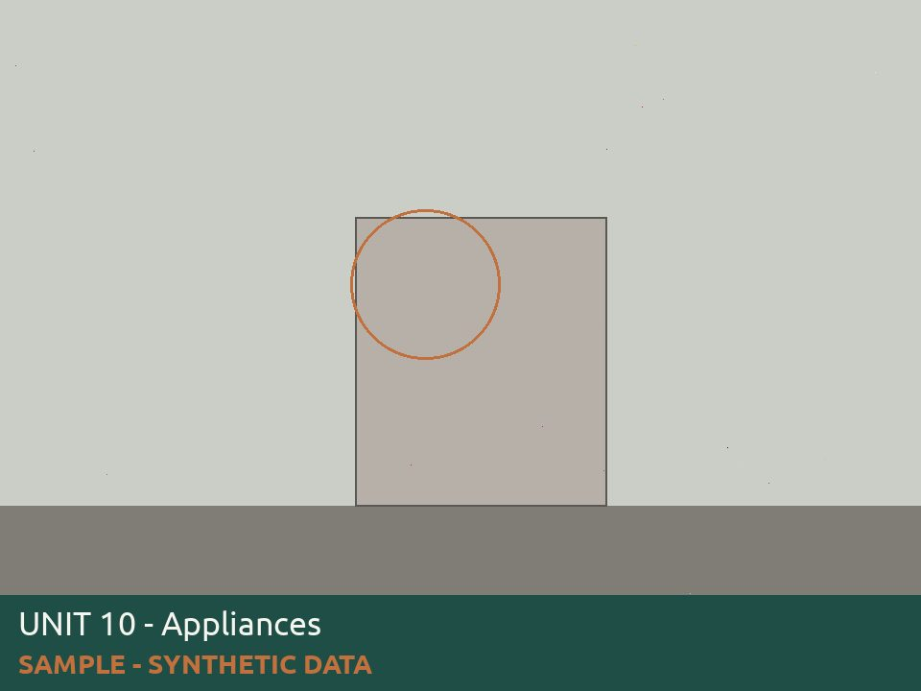
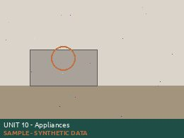
Stove/ Refrigerator/ Dishwasher/ Microwave are in working condition |  | No | Repair | 412609 |  |  |  | [Daniel Okonkwo 5/15/2026 9:03 AM] Stove wont turn on right side
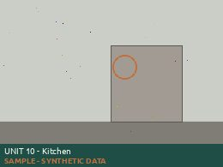
Kitchen cabinets and countertops are in good working condition |  | No | Repair | 412609 |  |  |  | [Daniel Okonkwo 5/15/2026 9:03 AM] Countertop paint coming off
All plumbing including water heater,toilets, faucets, under sinks, shower heads are free from leaks |  | Yes
Windows and screens are in tact and in working condition |  | Yes
Paint, ceiling and walls are in good condition and free from water damage and signs of leaks |  | Yes
Carpet and flooring is in good condition and free from trip hazards |  | Yes
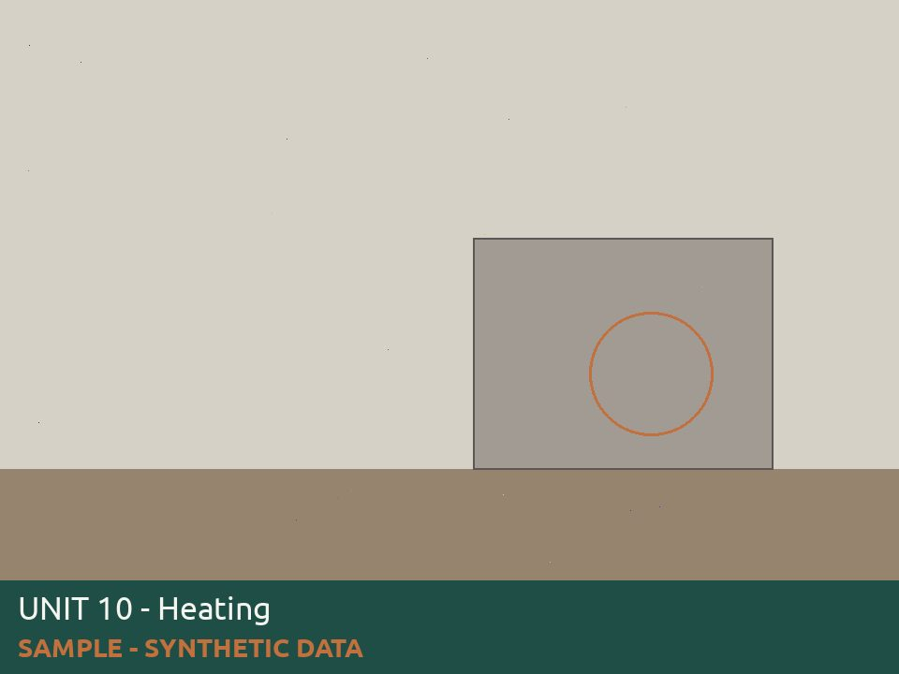
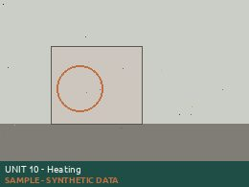
Wall heater and Water heater is in working condition and free from furniture or belongings blocking it |  | No | Repair | 412609 |  |  |  | [Daniel Okonkwo 5/15/2026 9:03 AM] Living room Wall heater knob broken
Overall Result |  | Pass - Corrective action needed
Overall Notes
Tenant Response
 | Signatures | Inspector Signature |  | Owner Signature |  | Tenant Signature

Inspection ID |  | 51210
Inspector |  | Priya Raman
Inspected Date |  | 5/11/2026 10:10
Entity Type |  | Unit
Tenant Name
Property Code Unit Code |  | 4820 11
Unit Address |  | 1400 Alderpath Ave. #04 Torrance, CA - 90503 us
 |  | Results | Observation | Work Order | Charge |  | Responsibility | Detail Level Notes | Photo
Annual Maintenace Unit Inspections
Front door has working locks, unit # listed and weatherstripping is in tact |  | Yes
Smoke alarms and CO2 alarms are in working condition and placed in required areas of unit |  | Yes
Stove/ Refrigerator/ Dishwasher/ Microwave are in working condition |  | Yes
Kitchen cabinets and countertops are in good working condition |  | Yes
All plumbing including water heater,toilets, faucets, under sinks, shower heads are free from leaks |  | Yes
Windows and screens are in tact and in working condition |  | Yes
Paint, ceiling and walls are in good condition and free from water damage and signs of leaks |  | Yes
Carpet and flooring is in good condition and free from trip hazards |  | Yes
Wall heater and Water heater is in working condition and free from furniture or belongings blocking it |  | Yes
Overall Result |  | Pass - No action needed
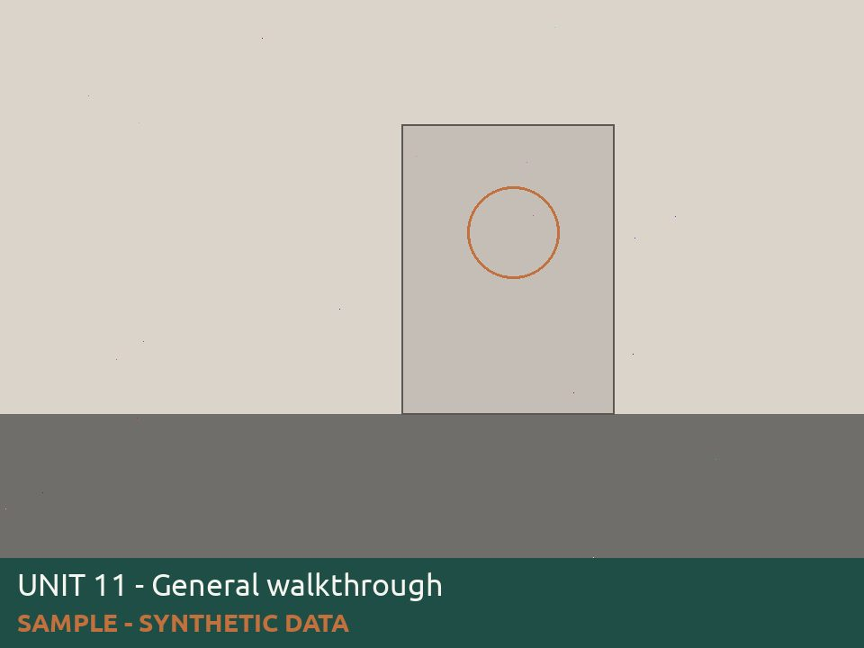
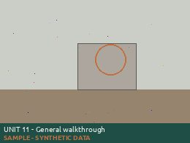
Overall Notes
Tenant Response
 | Signatures | Inspector Signature |  | Owner Signature |  | Tenant Signature

Inspection ID |  | 51211
Inspector |  | Tomas Herrera
Inspected Date |  | 5/12/2026 11:17
Entity Type |  | Unit
Tenant Name
Property Code Unit Code |  | 4820 12
Unit Address |  | 1400 Alderpath Ave. #04 Torrance, CA - 90503 us
 |  | Results | Observation | Work Order | Charge |  | Responsibility | Detail Level Notes | Photo
Annual Maintenace Unit Inspections
Front door has working locks, unit # listed and weatherstripping is in tact |  | Cancel |  |  |  |  |  | [Tomas Herrera 5/12/2026 11:17 AM] Tenant not home, second attempt
Overall Result |  | Cancel - Unable to inspect
Overall Notes
Tenant Response
 | Signatures | Inspector Signature |  | Owner Signature |  | Tenant Signature

Inspection ID |  | 51212
Inspector |  | Marisol Vega
Inspected Date |  | 5/13/2026 12:24
Entity Type |  | Unit
Tenant Name
Property Code Unit Code |  | 4820 13
Unit Address |  | 1400 Alderpath Ave. #04 Torrance, CA - 90503 us
 |  | Results | Observation | Work Order | Charge |  | Responsibility | Detail Level Notes | Photo
Annual Maintenace Unit Inspections
Front door has working locks, unit # listed and weatherstripping is in tact |  | Yes
Smoke alarms and CO2 alarms are in working condition and placed in required areas of unit |  | Yes
Stove/ Refrigerator/ Dishwasher/ Microwave are in working condition |  | Yes
Kitchen cabinets and countertops are in good working condition |  | Yes
All plumbing including water heater,toilets, faucets, under sinks, shower heads are free from leaks |  | Yes
Windows and screens are in tact and in working condition |  | Yes
Paint, ceiling and walls are in good condition and free from water damage and signs of leaks |  | Yes
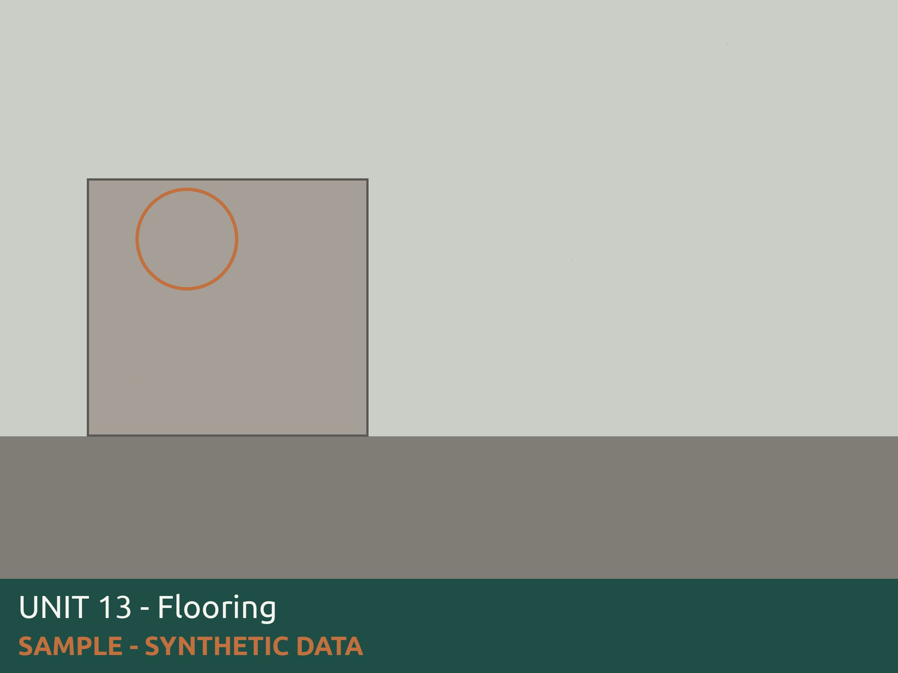
Carpet and flooring is in good condition and free from trip hazards |  | No | Repair | 412612 |  |  |  | [Marisol Vega 5/13/2026 12:24 PM] Floor planks are lifting in living room
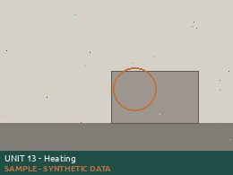
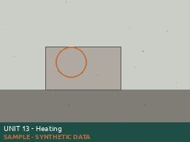
Wall heater and Water heater is in working condition and free from furniture or belongings blocking it |  | No | Repair | 412612 |  |  |  | [Marisol Vega 5/13/2026 12:24 PM] Living room Wall heater knob broken
Overall Result |  | Pass - Corrective action needed
Overall Notes
Tenant Response
 | Signatures | Inspector Signature |  | Owner Signature |  | Tenant Signature

Inspection ID |  | 51213
Inspector |  | Daniel Okonkwo
Inspected Date |  | 5/14/2026 13:31
Entity Type |  | Unit
Tenant Name |  | Avery Lindqvist
Property Code Unit Code |  | 4820 14
Unit Address |  | 1400 Alderpath Ave. #04 Torrance, CA - 90503 us
 |  | Results | Observation | Work Order | Charge |  | Responsibility | Detail Level Notes | Photo
Annual Maintenace Unit Inspections
Front door has working locks, unit # listed and weatherstripping is in tact |  | Yes
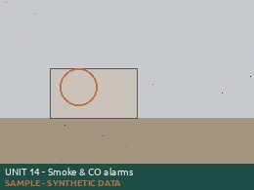
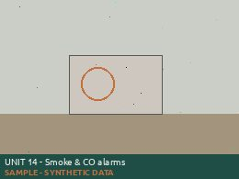
Smoke alarms and CO2 alarms are in working condition and placed in required areas of unit |  | No | Replace | 412613 |  |  |  | [Daniel Okonkwo 5/14/2026 1:31 PM] Co2 alarm chirping needs battery
Stove/ Refrigerator/ Dishwasher/ Microwave are in working condition |  | Yes
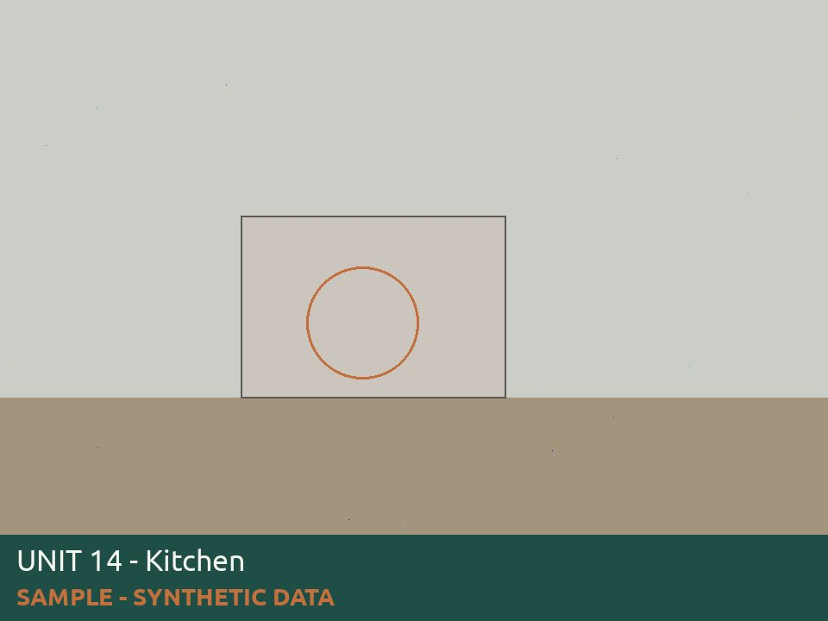
Kitchen cabinets and countertops are in good working condition |  | No | Repair | 412613 |  |  |  | [Daniel Okonkwo 5/14/2026 1:31 PM] Kitchen drawer needs repair
All plumbing including water heater,toilets, faucets, under sinks, shower heads are free from leaks |  | Yes
Windows and screens are in tact and in working condition |  | Yes
Paint, ceiling and walls are in good condition and free from water damage and signs of leaks |  | Yes
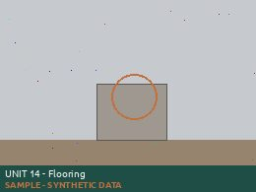
Carpet and flooring is in good condition and free from trip hazards |  | No | Repair | 412613 |  |  |  | [Daniel Okonkwo 5/14/2026 1:31 PM] Floor planks are lifting in living room
Wall heater and Water heater is in working condition and free from furniture or belongings blocking it |  | Yes
Overall Result |  | Pass - Corrective action needed
Overall Notes
Tenant Response
 | Signatures | Inspector Signature |  | Owner Signature |  | Tenant Signature

Inspection ID |  | 51214
Inspector |  | Priya Raman
Inspected Date |  | 5/15/2026 14:38
Entity Type |  | Unit
Tenant Name |  | Marcus Bello
Property Code Unit Code |  | 4820 15
Unit Address |  | 1400 Alderpath Ave. #04 Torrance, CA - 90503 us
 |  | Results | Observation | Work Order | Charge |  | Responsibility | Detail Level Notes | Photo
Annual Maintenace Unit Inspections
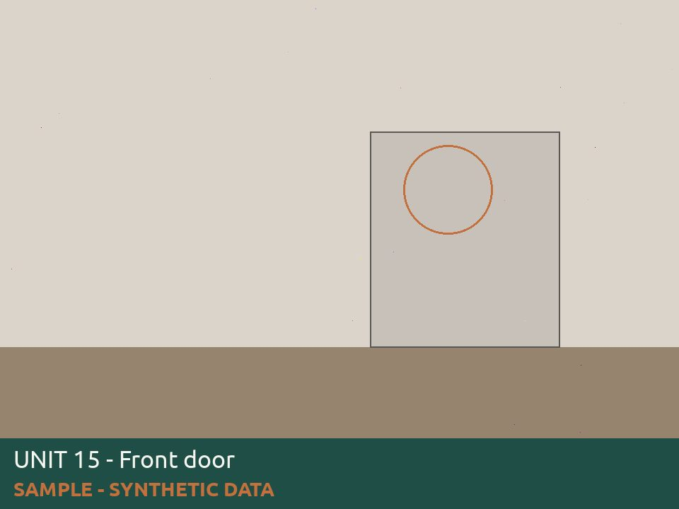
Front door has working locks, unit # listed and weatherstripping is in tact |  | No | Repair | 412614 |  |  |  | [Priya Raman 5/15/2026 2:38 PM] Unit number missing from door
Smoke alarms and CO2 alarms are in working condition and placed in required areas of unit |  | Yes
Stove/ Refrigerator/ Dishwasher/ Microwave are in working condition |  | Yes
Kitchen cabinets and countertops are in good working condition |  | Yes
All plumbing including water heater,toilets, faucets, under sinks, shower heads are free from leaks |  | Yes
Windows and screens are in tact and in working condition |  | Yes
Paint, ceiling and walls are in good condition and free from water damage and signs of leaks |  | Yes
Carpet and flooring is in good condition and free from trip hazards |  | Yes
Wall heater and Water heater is in working condition and free from furniture or belongings blocking it |  | Yes
Overall Result |  | Pass - Corrective action needed
Overall Notes
Tenant Response
 | Signatures | Inspector Signature |  | Owner Signature |  | Tenant Signature

Inspection ID |  | 51215
Inspector |  | Tomas Herrera
Inspected Date |  | 5/11/2026 15:45
Entity Type |  | Unit
Tenant Name |  | Sofia Restrepo
Property Code Unit Code |  | 4820 16
Unit Address |  | 1400 Alderpath Ave. #04 Torrance, CA - 90503 us
 |  | Results | Observation | Work Order | Charge |  | Responsibility | Detail Level Notes | Photo
Annual Maintenace Unit Inspections
Front door has working locks, unit # listed and weatherstripping is in tact |  | Yes
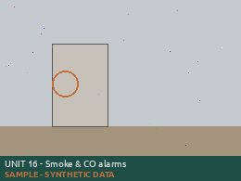
Smoke alarms and CO2 alarms are in working condition and placed in required areas of unit |  | No | Replace | 412615 |  |  |  | [Tomas Herrera 5/11/2026 3:45 PM] Co2 alarm chirping needs battery
Stove/ Refrigerator/ Dishwasher/ Microwave are in working condition |  | Yes
Kitchen cabinets and countertops are in good working condition |  | Yes
All plumbing including water heater,toilets, faucets, under sinks, shower heads are free from leaks |  | Yes
Windows and screens are in tact and in working condition |  | Yes
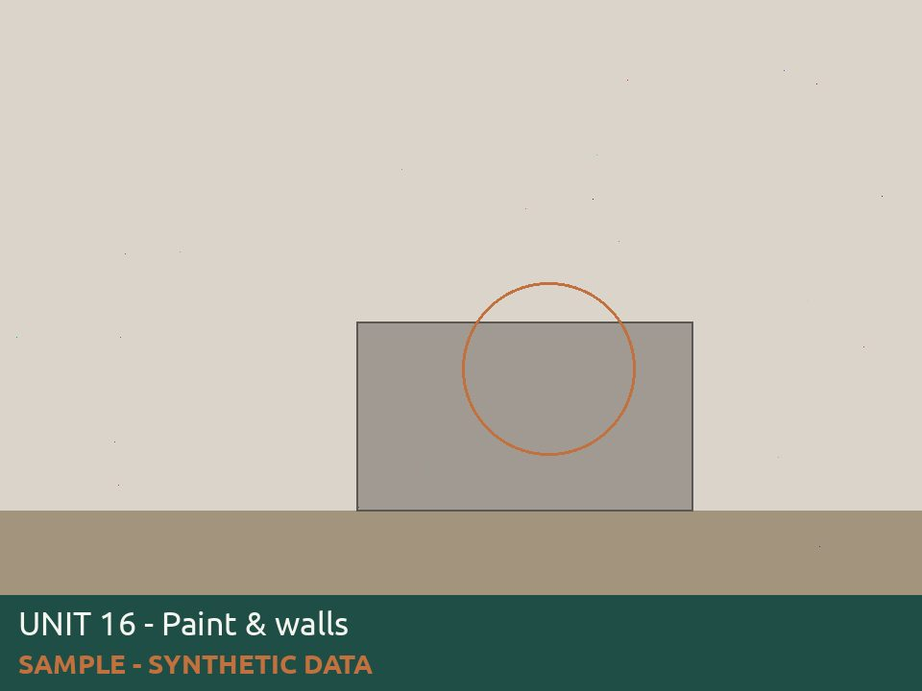
Paint, ceiling and walls are in good condition and free from water damage and signs of leaks |  | No | Repair | 412615 |  |  |  | [Tomas Herrera 5/11/2026 3:45 PM] Ceiling fan and dining room is broken and not secured
Carpet and flooring is in good condition and free from trip hazards |  | Yes
Wall heater and Water heater is in working condition and free from furniture or belongings blocking it |  | Yes
Overall Result |  | Pass - Corrective action needed
Overall Notes
Tenant Response
 | Signatures | Inspector Signature |  | Owner Signature |  | Tenant Signature

Inspection ID |  | 51216
Inspector |  | Marisol Vega
Inspected Date |  | 5/12/2026 16:52
Entity Type |  | Unit
Tenant Name |  | Nathan Oyelaran
Property Code Unit Code |  | 4820 17
Unit Address |  | 1400 Alderpath Ave. #04 Torrance, CA - 90503 us
 |  | Results | Observation | Work Order | Charge |  | Responsibility | Detail Level Notes | Photo
Annual Maintenace Unit Inspections
Front door has working locks, unit # listed and weatherstripping is in tact |  | Yes
Smoke alarms and CO2 alarms are in working condition and placed in required areas of unit |  | Yes
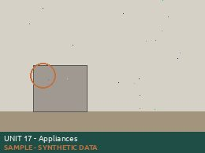
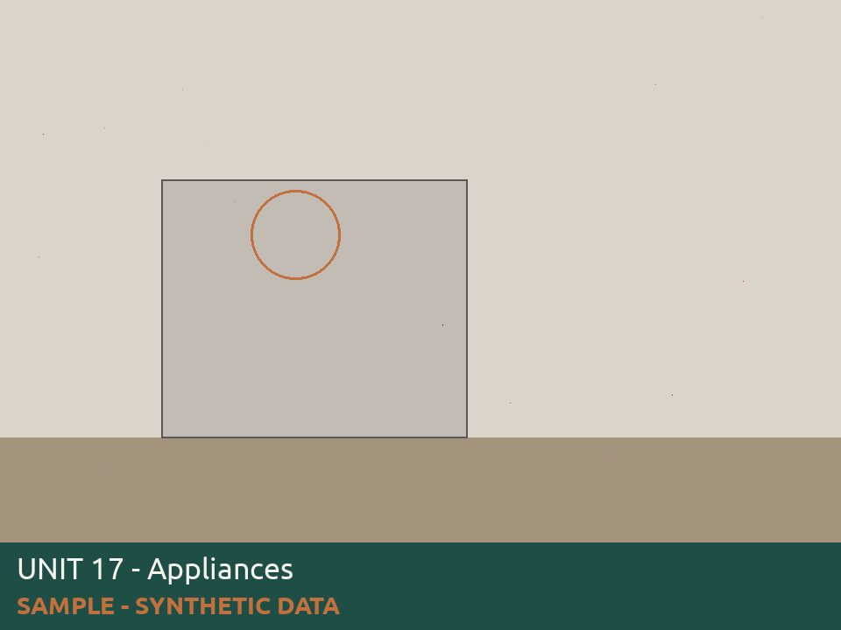
Stove/ Refrigerator/ Dishwasher/ Microwave are in working condition |  | No | Repair | 412616 |  |  |  | [Marisol Vega 5/12/2026 4:52 PM] Fridge door seal torn
Kitchen cabinets and countertops are in good working condition |  | Yes
All plumbing including water heater,toilets, faucets, under sinks, shower heads are free from leaks |  | Yes
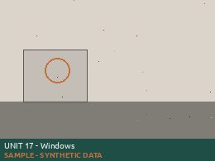
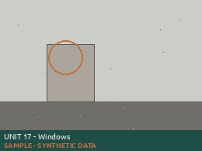
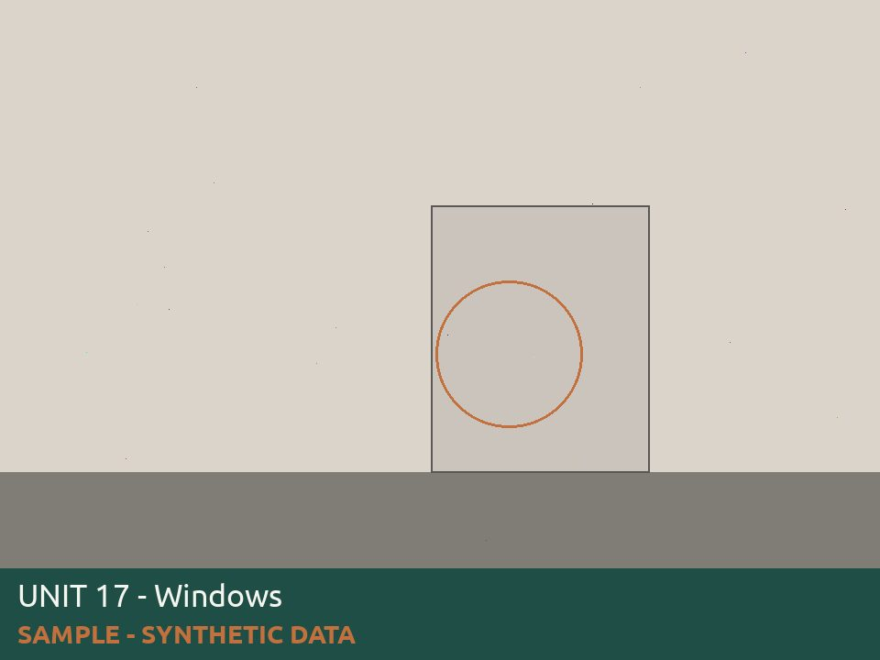
Windows and screens are in tact and in working condition |  | No | Repair | 412616 |  |  |  | [Marisol Vega 5/12/2026 4:52 PM] Bedroom window wont stay up
Paint, ceiling and walls are in good condition and free from water damage and signs of leaks |  | Yes
Carpet and flooring is in good condition and free from trip hazards |  | Yes
Wall heater and Water heater is in working condition and free from furniture or belongings blocking it |  | Yes
Overall Result |  | Pass - Corrective action needed
Overall Notes
Tenant Response
 | Signatures | Inspector Signature |  | Owner Signature |  | Tenant Signature

Inspection ID |  | 51217
Inspector |  | Daniel Okonkwo
Inspected Date |  | 5/13/2026 17:59
Entity Type |  | Unit
Tenant Name |  | Delia Marchetti
Property Code Unit Code |  | 4820 18
Unit Address |  | 1400 Alderpath Ave. #04 Torrance, CA - 90503 us
 |  | Results | Observation | Work Order | Charge |  | Responsibility | Detail Level Notes | Photo
Annual Maintenace Unit Inspections
Front door has working locks, unit # listed and weatherstripping is in tact |  | Yes
Smoke alarms and CO2 alarms are in working condition and placed in required areas of unit |  | Yes
Stove/ Refrigerator/ Dishwasher/ Microwave are in working condition |  | Yes
Kitchen cabinets and countertops are in good working condition |  | Yes
All plumbing including water heater,toilets, faucets, under sinks, shower heads are free from leaks |  | Yes
Windows and screens are in tact and in working condition |  | Yes
Paint, ceiling and walls are in good condition and free from water damage and signs of leaks |  | Yes
Carpet and flooring is in good condition and free from trip hazards |  | Yes
Wall heater and Water heater is in working condition and free from furniture or belongings blocking it |  | Yes
Overall Result |  | Pass - No action needed
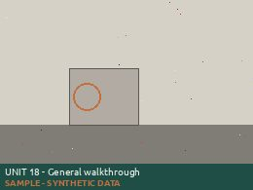
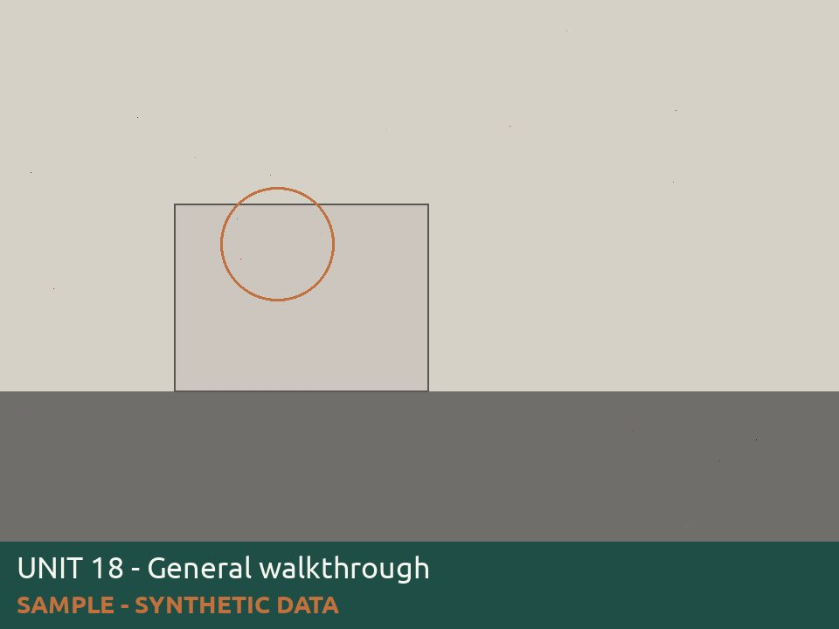
Overall Notes
Tenant Response
 | Signatures | Inspector Signature |  | Owner Signature |  | Tenant Signature

Inspection ID |  | 51218
Inspector |  | Priya Raman
Inspected Date |  | 5/14/2026 9:06
Entity Type |  | Unit
Tenant Name |  | Ruben Castellanos
Property Code Unit Code |  | 4820 19
Unit Address |  | 1400 Alderpath Ave. #04 Torrance, CA - 90503 us
 |  | Results | Observation | Work Order | Charge |  | Responsibility | Detail Level Notes | Photo
Annual Maintenace Unit Inspections
Front door has working locks, unit # listed and weatherstripping is in tact |  | Yes
Smoke alarms and CO2 alarms are in working condition and placed in required areas of unit |  | Yes
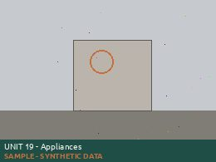
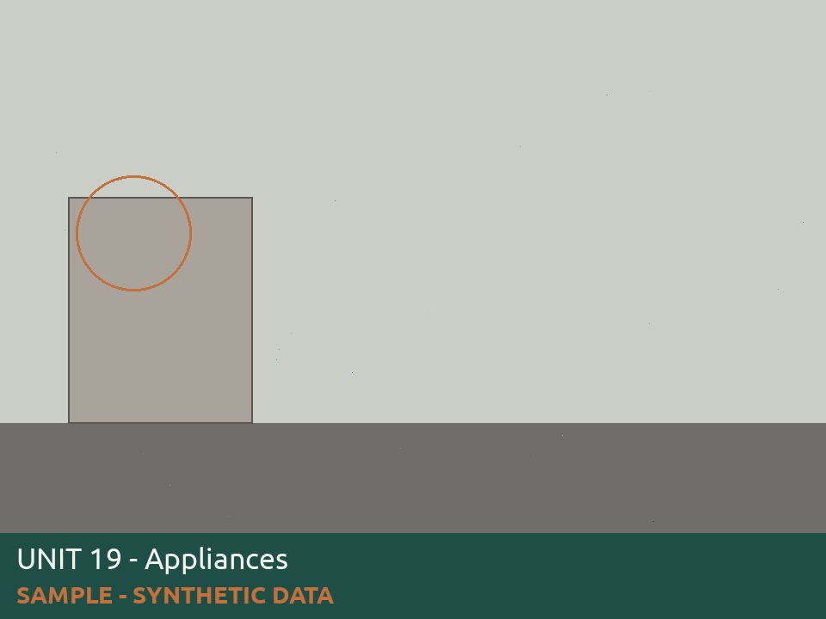
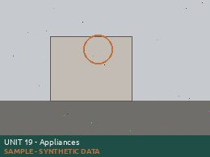
Stove/ Refrigerator/ Dishwasher/ Microwave are in working condition |  | No | Repair | 412618 |  |  |  | [Priya Raman 5/14/2026 9:06 AM] Stove wont turn on right side
Kitchen cabinets and countertops are in good working condition |  | Yes
All plumbing including water heater,toilets, faucets, under sinks, shower heads are free from leaks |  | Yes
Windows and screens are in tact and in working condition |  | Yes
Paint, ceiling and walls are in good condition and free from water damage and signs of leaks |  | Yes
Carpet and flooring is in good condition and free from trip hazards |  | Yes
Wall heater and Water heater is in working condition and free from furniture or belongings blocking it |  | Yes
Overall Result |  | Pass - Corrective action needed
Overall Notes
Tenant Response
 | Signatures | Inspector Signature |  | Owner Signature |  | Tenant Signature

Inspection ID |  | 51219
Inspector |  | Tomas Herrera
Inspected Date |  | 5/15/2026 10:13
Entity Type |  | Unit
Tenant Name |  | Harriet Nwosu
Property Code Unit Code |  | 4820 20
Unit Address |  | 1400 Alderpath Ave. #04 Torrance, CA - 90503 us
 |  | Results | Observation | Work Order | Charge |  | Responsibility | Detail Level Notes | Photo
Annual Maintenace Unit Inspections
Front door has working locks, unit # listed and weatherstripping is in tact |  | Cancel |  |  |  |  |  | [Tomas Herrera 5/15/2026 10:13 AM] Vacant, unit under turn
Overall Result |  | Cancel - Unable to inspect
Overall Notes
Tenant Response
 | Signatures | Inspector Signature |  | Owner Signature |  | Tenant Signature

Inspection ID |  | 51220
Inspector |  | Marisol Vega
Inspected Date |  | 5/11/2026 11:20
Entity Type |  | Unit
Tenant Name |  | Jonas Petrauskas
Property Code Unit Code |  | 4820 21
Unit Address |  | 1400 Alderpath Ave. #04 Torrance, CA - 90503 us
 |  | Results | Observation | Work Order | Charge |  | Responsibility | Detail Level Notes | Photo
Annual Maintenace Unit Inspections
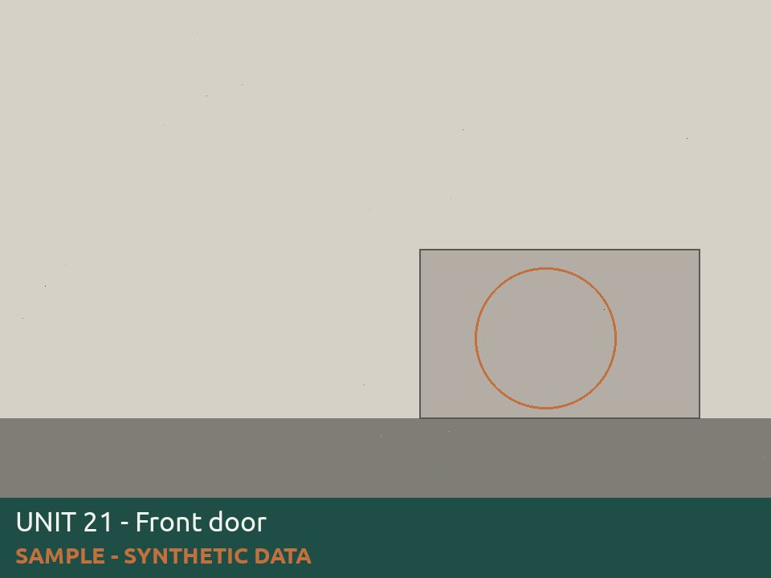
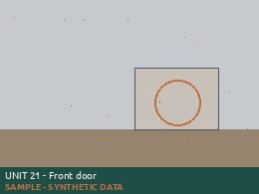
Front door has working locks, unit # listed and weatherstripping is in tact |  | No | Repair | 412620 |  |  |  | [Marisol Vega 5/11/2026 11:20 AM] Unit number missing from door
Smoke alarms and CO2 alarms are in working condition and placed in required areas of unit |  | Yes
Stove/ Refrigerator/ Dishwasher/ Microwave are in working condition |  | Yes
Kitchen cabinets and countertops are in good working condition |  | Yes


All plumbing including water heater,toilets, faucets, under sinks, shower heads are free from leaks |  | No | Repair | 412620 |  |  |  | [Marisol Vega 5/11/2026 11:20 AM] Garbage disposal not working Bathtub and bathroom sink need strainers
Windows and screens are in tact and in working condition |  | Yes

Paint, ceiling and walls are in good condition and free from water damage and signs of leaks |  | No | Repair | 412620 |  |  |  | [Marisol Vega 5/11/2026 11:20 AM] Water stain on ceiling by bathroom

Carpet and flooring is in good condition and free from trip hazards |  | No | Repair | 412620 |  |  |  | [Marisol Vega 5/11/2026 11:20 AM] Floor tack strip is missing screws

Wall heater and Water heater is in working condition and free from furniture or belongings blocking it |  | No | Repair | 412620 |  |  |  | [Marisol Vega 5/11/2026 11:20 AM] Water heater closet blocked with boxes
Overall Result |  | Pass - Corrective action needed
Overall Notes
Tenant Response
 | Signatures | Inspector Signature |  | Owner Signature |  | Tenant Signature

Inspection ID |  | 51221
Inspector |  | Daniel Okonkwo
Inspected Date |  | 5/12/2026 12:27
Entity Type |  | Unit
Tenant Name |  | Camille Oduya
Property Code Unit Code |  | 4820 22
Unit Address |  | 1400 Alderpath Ave. #04 Torrance, CA - 90503 us
 |  | Results | Observation | Work Order | Charge |  | Responsibility | Detail Level Notes | Photo
Annual Maintenace Unit Inspections
Front door has working locks, unit # listed and weatherstripping is in tact |  | Yes
Smoke alarms and CO2 alarms are in working condition and placed in required areas of unit |  | Yes
Stove/ Refrigerator/ Dishwasher/ Microwave are in working condition |  | Yes
Kitchen cabinets and countertops are in good working condition |  | Yes

All plumbing including water heater,toilets, faucets, under sinks, shower heads are free from leaks |  | No | Repair | 412621 |  |  |  | [Daniel Okonkwo 5/12/2026 12:27 PM] Tub sprout needs caulking in hallway bathroom

Windows and screens are in tact and in working condition |  | No | Repair | 412621 |  |  |  | [Daniel Okonkwo 5/12/2026 12:27 PM] Replace window screen in kitchen

Paint, ceiling and walls are in good condition and free from water damage and signs of leaks |  | No | Repair | 412621 |  |  |  | [Daniel Okonkwo 5/12/2026 12:27 PM] Ceiling fan and dining room is broken and not secured

Carpet and flooring is in good condition and free from trip hazards |  | No | Repair | 412621 |  |  |  | [Daniel Okonkwo 5/12/2026 12:27 PM] Floor tack strip is missing screws

Wall heater and Water heater is in working condition and free from furniture or belongings blocking it |  | No | Repair | 412621 |  |  |  | [Daniel Okonkwo 5/12/2026 12:27 PM] Living room Wall heater knob broken
Overall Result |  | Pass - Corrective action needed
Overall Notes
Tenant Response
 | Signatures | Inspector Signature |  | Owner Signature |  | Tenant Signature

Inspection ID |  | 51222
Inspector |  | Priya Raman
Inspected Date |  | 5/13/2026 13:34
Entity Type |  | Unit
Tenant Name |  | Theo Vasquez
Property Code Unit Code |  | 4820 23
Unit Address |  | 1400 Alderpath Ave. #04 Torrance, CA - 90503 us
 |  | Results | Observation | Work Order | Charge |  | Responsibility | Detail Level Notes | Photo
Annual Maintenace Unit Inspections
Front door has working locks, unit # listed and weatherstripping is in tact |  | Yes


Smoke alarms and CO2 alarms are in working condition and placed in required areas of unit |  | No | Replace | 412622 |  |  |  | [Priya Raman 5/13/2026 1:34 PM] Replace all missing smoke detectors
Stove/ Refrigerator/ Dishwasher/ Microwave are in working condition |  | Yes
Kitchen cabinets and countertops are in good working condition |  | Yes
All plumbing including water heater,toilets, faucets, under sinks, shower heads are free from leaks |  | Yes
Windows and screens are in tact and in working condition |  | Yes
Paint, ceiling and walls are in good condition and free from water damage and signs of leaks |  | Yes
Carpet and flooring is in good condition and free from trip hazards |  | Yes
Wall heater and Water heater is in working condition and free from furniture or belongings blocking it |  | Yes
Overall Result |  | Pass - Corrective action needed
Overall Notes
Tenant Response
 | Signatures | Inspector Signature |  | Owner Signature |  | Tenant Signature

Inspection ID |  | 51223
Inspector |  | Tomas Herrera
Inspected Date |  | 5/14/2026 14:41
Entity Type |  | Unit
Tenant Name
Property Code Unit Code |  | 4820 24
Unit Address |  | 1400 Alderpath Ave. #04 Torrance, CA - 90503 us
 |  | Results | Observation | Work Order | Charge |  | Responsibility | Detail Level Notes | Photo
Annual Maintenace Unit Inspections
Front door has working locks, unit # listed and weatherstripping is in tact |  | Yes
Smoke alarms and CO2 alarms are in working condition and placed in required areas of unit |  | Yes
Stove/ Refrigerator/ Dishwasher/ Microwave are in working condition |  | Yes
Kitchen cabinets and countertops are in good working condition |  | Yes
All plumbing including water heater,toilets, faucets, under sinks, shower heads are free from leaks |  | Yes
Windows and screens are in tact and in working condition |  | Yes
Paint, ceiling and walls are in good condition and free from water damage and signs of leaks |  | Yes
Carpet and flooring is in good condition and free from trip hazards |  | Yes
Wall heater and Water heater is in working condition and free from furniture or belongings blocking it |  | Yes
Overall Result |  | Pass - No action needed


Overall Notes
Tenant Response
 | Signatures | Inspector Signature |  | Owner Signature |  | Tenant Signature

Inspection ID |  | 51224
Inspector |  | Marisol Vega
Inspected Date |  | 5/15/2026 15:48
Entity Type |  | Unit
Tenant Name
Property Code Unit Code |  | 4820 25
Unit Address |  | 1400 Alderpath Ave. #04 Torrance, CA - 90503 us
 |  | Results | Observation | Work Order | Charge |  | Responsibility | Detail Level Notes | Photo
Annual Maintenace Unit Inspections
Front door has working locks, unit # listed and weatherstripping is in tact |  | Yes
Smoke alarms and CO2 alarms are in working condition and placed in required areas of unit |  | Yes
Stove/ Refrigerator/ Dishwasher/ Microwave are in working condition |  | Yes
Kitchen cabinets and countertops are in good working condition |  | Yes

All plumbing including water heater,toilets, faucets, under sinks, shower heads are free from leaks |  | No | Repair | 412624 |  |  |  | [Marisol Vega 5/15/2026 3:48 PM] Bathroom sink drains slow
Windows and screens are in tact and in working condition |  | Yes
Paint, ceiling and walls are in good condition and free from water damage and signs of leaks |  | Yes
Carpet and flooring is in good condition and free from trip hazards |  | Yes
Wall heater and Water heater is in working condition and free from furniture or belongings blocking it |  | Yes
Overall Result |  | Pass - Corrective action needed
Overall Notes
Tenant Response
 | Signatures | Inspector Signature |  | Owner Signature |  | Tenant Signature

Inspection ID |  | 51225
Inspector |  | Daniel Okonkwo
Inspected Date |  | 5/11/2026 16:55
Entity Type |  | Unit
Tenant Name
Property Code Unit Code |  | 4820 26
Unit Address |  | 1400 Alderpath Ave. #04 Torrance, CA - 90503 us
 |  | Results | Observation | Work Order | Charge |  | Responsibility | Detail Level Notes | Photo
Annual Maintenace Unit Inspections
Front door has working locks, unit # listed and weatherstripping is in tact |  | Cancel |  |  |  |  |  | [Daniel Okonkwo 5/11/2026 4:55 PM] Vacant, unit under turn
Overall Result |  | Cancel - Unable to inspect
Overall Notes
Tenant Response
 | Signatures | Inspector Signature |  | Owner Signature |  | Tenant Signature

Inspection ID |  | 51226
Inspector |  | Priya Raman
Inspected Date |  | 5/12/2026 17:02
Entity Type |  | Unit
Tenant Name |  | Avery Lindqvist
Property Code Unit Code |  | 4820 27
Unit Address |  | 1400 Alderpath Ave. #04 Torrance, CA - 90503 us
 |  | Results | Observation | Work Order | Charge |  | Responsibility | Detail Level Notes | Photo
Annual Maintenace Unit Inspections
Front door has working locks, unit # listed and weatherstripping is in tact |  | Yes

Smoke alarms and CO2 alarms are in working condition and placed in required areas of unit |  | No | Replace | 412626 |  |  |  | [Priya Raman 5/12/2026 5:02 PM] Missing smoke detectors in hallway
Stove/ Refrigerator/ Dishwasher/ Microwave are in working condition |  | Yes
Kitchen cabinets and countertops are in good working condition |  | Yes
All plumbing including water heater,toilets, faucets, under sinks, shower heads are free from leaks |  | Yes
Windows and screens are in tact and in working condition |  | Yes
Paint, ceiling and walls are in good condition and free from water damage and signs of leaks |  | Yes
Carpet and flooring is in good condition and free from trip hazards |  | Yes

Wall heater and Water heater is in working condition and free from furniture or belongings blocking it |  | No | Repair | 412626 |  |  |  | [Priya Raman 5/12/2026 5:02 PM] Living room Wall heater knob broken
Overall Result |  | Pass - Corrective action needed
Overall Notes
Tenant Response
 | Signatures | Inspector Signature |  | Owner Signature |  | Tenant Signature

Inspection ID |  | 51227
Inspector |  | Tomas Herrera
Inspected Date |  | 5/13/2026 9:09
Entity Type |  | Unit
Tenant Name |  | Marcus Bello
Property Code Unit Code |  | 4820 28
Unit Address |  | 1400 Alderpath Ave. #04 Torrance, CA - 90503 us
 |  | Results | Observation | Work Order | Charge |  | Responsibility | Detail Level Notes | Photo
Annual Maintenace Unit Inspections
Front door has working locks, unit # listed and weatherstripping is in tact |  | Yes


Smoke alarms and CO2 alarms are in working condition and placed in required areas of unit |  | No | Replace | 412627 |  |  |  | [Tomas Herrera 5/13/2026 9:09 AM] Co2 alarm chirping needs battery
Stove/ Refrigerator/ Dishwasher/ Microwave are in working condition |  | Yes
Kitchen cabinets and countertops are in good working condition |  | Yes
All plumbing including water heater,toilets, faucets, under sinks, shower heads are free from leaks |  | Yes
Windows and screens are in tact and in working condition |  | Yes
Paint, ceiling and walls are in good condition and free from water damage and signs of leaks |  | Yes
Carpet and flooring is in good condition and free from trip hazards |  | Yes
Wall heater and Water heater is in working condition and free from furniture or belongings blocking it |  | Yes
Overall Result |  | Pass - Corrective action needed
Overall Notes
Tenant Response
 | Signatures | Inspector Signature |  | Owner Signature |  | Tenant Signature

